Sheet1
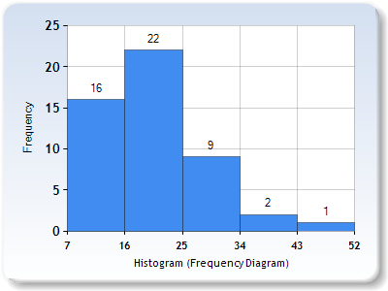
Data | Jumlah | Frequency Distribution Table
7 | 1 | Interval | Frequency | Percentage
8 | 1 | 7 - 15 | 16 | 32
10 | 2 | 16 - 24 | 22 | 44
11 | 2 | 25 - 33 | 9 | 18
12 | 4 | 34 - 42 | 2 | 4
13 | 2 | 43 - 51 | 1 | 2
14 | 1
15 | 3 | Total | 50 | 100
16 | 4
17 | 2
18 | 2
19 | 1
20 | 2
21 | 4
22 | 2
24 | 5
26 | 1
27 | 1
28 | 1
29 | 3
31 | 1
32 | 1
33 | 1
35 | 1
41 | 1
45 | 1

